2. Cell Count.
 | Counting Chamber Formulae
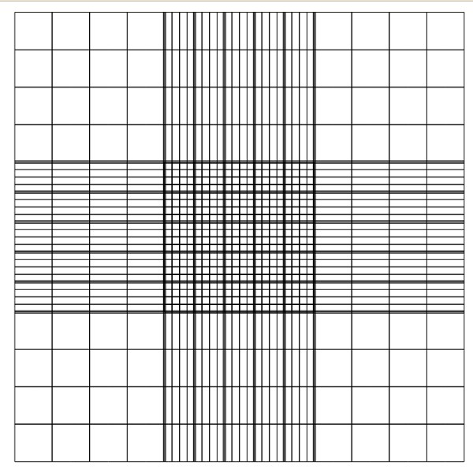
1 mm2 square counting (eg Blue box)

# of chambers counted: |  |  | 0
total amount of cells counted: |  |  | 0 |  | cells

Cell Concentration: |  | 0.00 | *10^ | 0 | cell/mL
 |  | 0 | cell/mL

General remarks:
Blue cells are required data provided by user. Green cells are then calcuted results.

